Sheet1
Screen 1
Electric - Crew Schedule 1/20/14- 1/24/14

 | Monday | Tuesday | Wednesday | Thursday | Friday
 | 2014-08-15 | 2014-08-16 | 2014-08-17 | 2014-08-18 | 2014-08-19 | Notes
Crew - 152 | Beck | Beck | Beck | Beck | Beck
 | J Hansen | J Hansen | J Hansen | J Hansen | J Hansen
Beck | Colvin | Colvin | Colvin | Colvin | Colvin
(5-8's) | Phillips | Phillips |  | Mann | Phillips | test notes

Crew - 153 | Richardson | Richardson | Richardson | Richardson | Richardson
 | Hensley | Hensley | Hensley | Hensley
Richardson | Kane | Kane | Kane | Kane | Kane
(5-8's) | Peterson | Peterson | Kaveshan | Peterson | Peterson
 | Kaveshan | Kaveshan |  | Kaveshan | Kaveshan | test notes 2

Crew - 156 | Dotson | Dotson | Dotson | Dotson | Dotson
 | J Thompson | R Hansen | R Hansen | R Hansen | R Hansen | test notes 3
Thompson | Mann | J Thompson | J Thompson | J Thompson | J Thompson
(5-8's) | Jolley | Jolley | Jolley | Jolley | Jolley
Blue Creek | Thurston | Thurston | Thurston | Thurston | Thurston

Crew #157 | Pickens | Pickens | Pickens | Pickens | Pickens
 | White | White | White | White | White | test notes 4
Pickens | Mejie | Mejie | Mejie | Mejie | Mejie
(5-8's) | Wickham | Wickham | Peterson | Wickham | Wickham
 | Rinaldi | Rinaldi |  | Herman | Rinaldi

Crew#155
 |  | Shaffer | Shaffer
 |  | Summers | Summers |  |  | test notes 5

 |  | Hensley | Hensley

Screen 2
 | Electric Serviceman 1/20/14- 1/24/14

Electric | Monday | Tuesday | Wednesday | Thursday | Friday
Serviceman | 2014-01-20 | 2014-01-21 | 2014-01-22 | 2014-01-23 | 2014-01-24 | Notes
158 | Compton | Compton | Compton | Compton | Compton
159 | Portello | Mann |  | Shaffer | Shaffer | test notes
160 | Beierle | Beierle | Beierle | Beierle | Beierle
Underground Service Crew | Shaffer |  | Mann CPR/1st Aid |  | Mann
137 | Herman |  | Herman |  | Herman | test notes 2

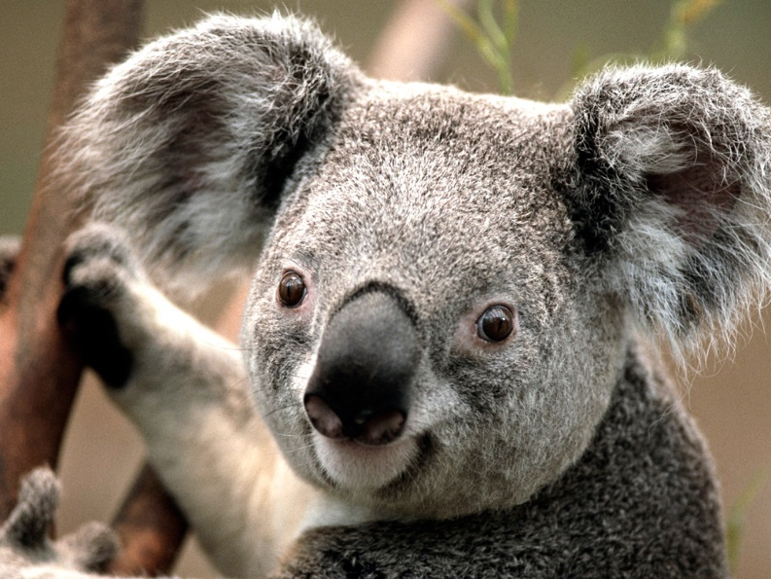
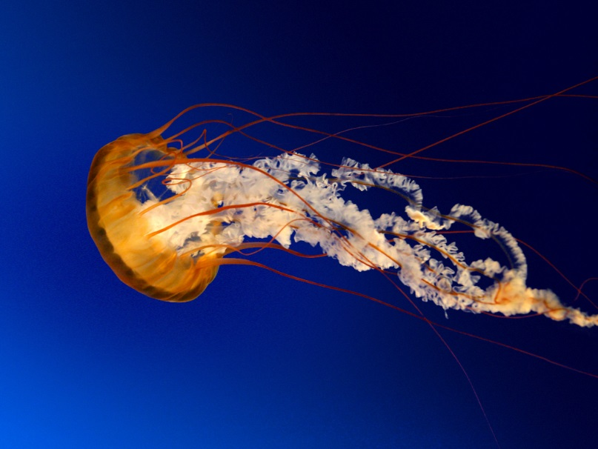
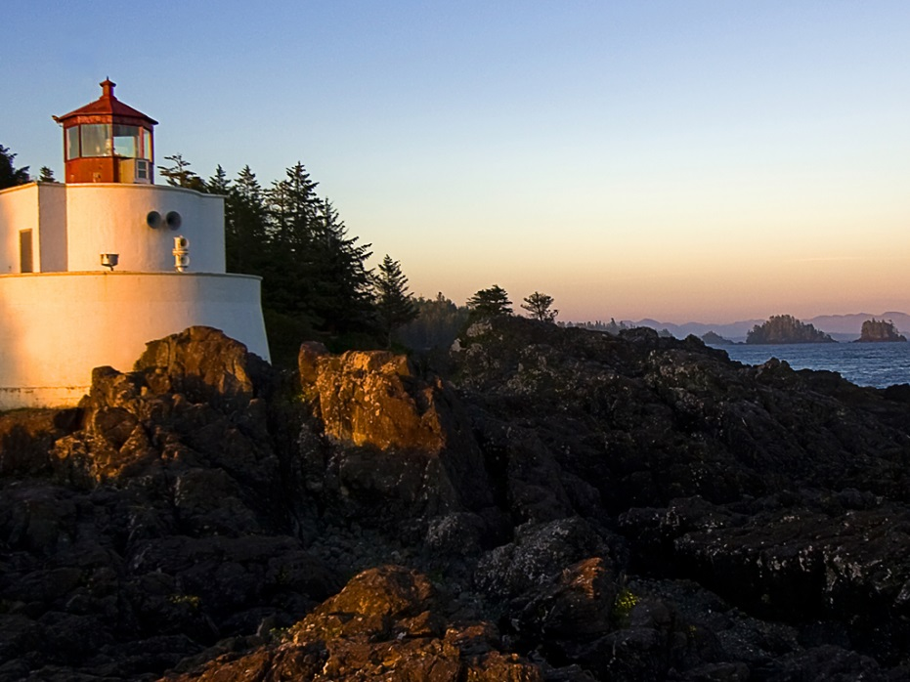

Picture or video frame |  | Picture or video frame |  |  | Picture or video frame

Screen 3
Information

Union Business |  |  | Rinaldi | Rinaldi |  | 1
Lite Duty | Pomerinki | Pomerinki | Pomerinki | Pomerinki | Pomerinki | 2
BPI | Humlicek | Humlicek | Humlicek | Humlicek | Humlicek | 3
 |  |  |  |  |  | 4
Sandpoint | R Hansen |  |  | McLeod | McLeod | 5
STD | Harrison | Harrison | Harrison | Harrison | Harrison | 6
STD | Gust | Gust1 | Gust2 | Gust3 | Gust4 | 7
STD | G Thompson | G Thompson1 | G Thompson2 | G Thompson3 | G Thompson4 | 8
 |  |  |  |  |  | 9
 |  |  |  |  |  | 10
STD |  | Portello | Portello | Portello | Portello | 11
 | Humlicek | Humlicek | test leave | test leave 2 | Hensley | test
 |  | Harrison
 |  | Gust1
One Leave |  | G Thompson1
 |  | Pomerinki

Some type of info area safety info or whatever…

